Incompressible flow
FOR EDUCATIONAL PURPOSE ONLY – DO NOT USE THIS METHOD FOR DETAIL DESIGN – ALWAYS CONSULT A REPUTABLE SUPPLIER FOR DETAIL DESIGN

Valid in TURBULENT FLOW
Valid for incompressible fluid (~liquid)

 | Instruction
 | 1 | Split the pipe layout in sections and describe sections line by line including the number of pipes and fitting in each section |  |  |  |  |  |  |  |  |  |  |  |  |  |  |  |  |  |  |  |  |  |  |  |  |  |  |  |  |  |  | Open | Open
 | 2 | If you wish to calculate the pressure drop at a given mass flowrate, enter the flow in cell C13 and read the total pressure drop in cell C14. Pressure drop in each section is in column CJ |  |  |  |  |  |  |  |  |  |  |  |  |  |  |  |  |  |  |  |  |  |  |  |  |  |  |  |  |  |  | 1/2 Open | 3/4 Open
 | 3 | If you wish to calculate the flow for a given pressure drop, enter the pressure drop available in cell C17 and modify cell C13 so that cell C18 equals 0 |  |  |  |  |  |  |  |  |  |  |  |  |  |  |  |  |  |  |  |  |  |  |  |  |  |  |  |  |  |  |  | 1/2 Open

 | To modify | Calculated |  |  |  |  |  |  |  |  |  |  |  |  |  |  |  |  |  |  |  |  |  |  |  |  |  |  |  |  |  |  |  | 1/4 Open

 | Pipe flow | 49000 | kg/h
 | Actual DP | 0.42898612744 | bar
 |  |  |  |  |  |  |  |  |  |  |  |  |  |  |  |  |  |  |  |  |  |  |  |  |  |  |  |  |  |  |  |  |  |  |  |  |  |  |  |  |  |  |  |  |  |  |  |  |  |  |  |  |  |  |  |  |  |  |  |  |  |  |  |  |  |  |  |  |  |  |  |  |  |  |  |  |  |  |  |  |  | Various pressure drops
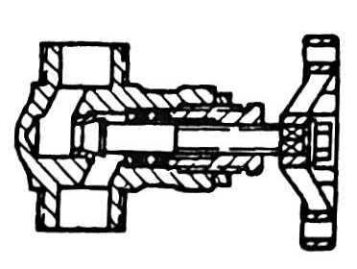
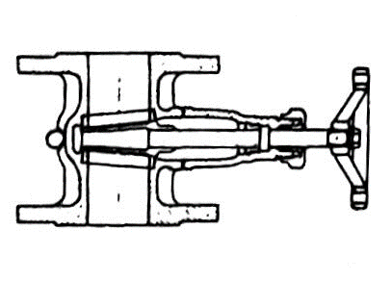
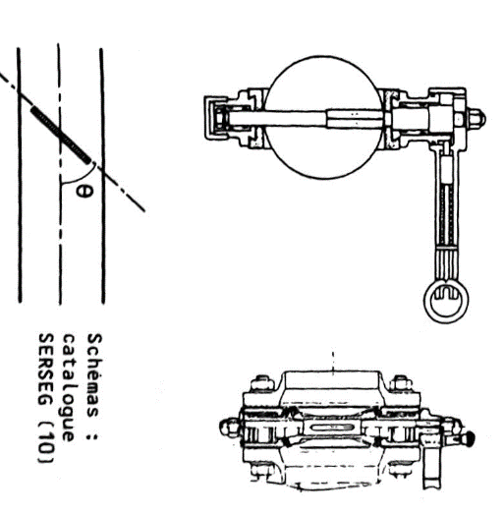
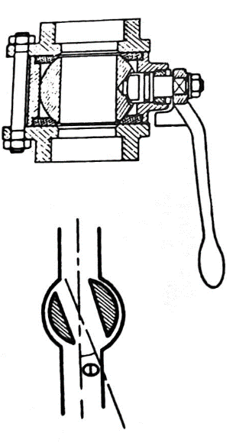
 | If resolution = flow for a given DP
 | Available DP | 0.429 | bar
 | Available - Actual | 1.3872560082E-05 |  | Bring this value in cell C18 to 0 by modifying the pipe flow in cell C13

 |  |  |  |  |  |  |  |  |  |  |  |  |  |  |  |  |  |  |  |  |  |  |  |  |  |  |  |  |  |  |  |  |  |  |  |  |  |  |  |  |  |  |  |  |  |  |  |  |  |  |  |  |  |  |  |  |  |  |  |  |  |  |  |  |  |  |  | Choose teta as 10,15,20,30,45
 | Pipe section | Fluid | Specific gravity | Temperature | Dynamic viscosity | Pipe diameter | Pipe length | Height difference DZ | Roughness | Relative roughness | Mass flow rate | Volumetric flow rate | Fluid velocity | Reynolds | Moody friction factor |  |  | Flanged |  |  | Flanged |  |  | Flanged |  |  | Flanged
 |  |  | rho | Temperature | mu | D | L | H | e | e/D | Qm | Qv | u | Re | A | B | f | 90° elbow |  | Standard | 90° elbow |  | Long radius | 45° elbow |  | Standard | 45° elbow |  | Long radius | Coupling |  |  | Globe valve |  | Open | Needle valve / plug disk |  | Open | Gate valve |  | Open | Butterfly valve |  | 0 | Ball Valve |  | 0 | Diaphragm |  | Open | Angle valve |  | Open | Tank inlet |  |  | Tank outlet |  |  | Sudden enlargement |  |  |  | Sudden contraction |  |  |  | Progressive enlargement |  |  |  | Progressive contraction |  |  |  |  |  | R.O
 |  |  | kg/m3 | c | Pa.s | m | m | m | mm |  | kg/h | m3/h | m/s | - |  |  |  | Number | k | Total k | Number | k | Total k | Number | k | Total k | Number | k | Total k | Number | k | Total k | Number | k | Total k | Number | k | Total k | Number | k | Total k | Number | k | Total k | Number | k | Total k | Number | k | Total k | Number | k | Total k | Number | k | Total k | Number | k | Total k | Number | D | k | Total k | Number | d | k | Total k | Number | teta | k | Total k | Number | teta | d | C | k | Total k | Number | d | k | Total k | k | Sum k | Valve and fitting pressure drop (Pa) | Straight pipe pressure drop | Elevation | Total
 | Section 1 | Water | 980 | 25 | 4.30E-04 | 0.1 | 100 | 0 | 0.25 | 0.0025 | 49000 | 50 | 1.77 | 4.03E+05 | 9.7611758135E+19 | 3.1503793131E-17 | 0.025374776173 | 0 | 0.75 | 0 | 2 | 0.45 | 0.9 | 0 | 0.35 | 0 | 0 | 0.2 | 0 | 0 | 0.04 | 0 | 0 | 6 | 0 | 0 | 9 | 0 | 1 | 0.17 | 0.17 | 0 | 0.48773052888 | 0 | 0 | 0 | 0 | 0 | 2.3 | 0 | 0 | 4 | 0 | 1 | 1 | 1 | 1 | 0.5 | 0.5 | 0 | 0.15 | 0.30864197531 | 0 | 0 | 0.02 | 0.4828024546 | 0 | 0 | 10 | 0.065 | 0 | 0 | 45 | 0.05 | 0.59640625 | 0.38965909274 | 0 | 0 | 0.01 | 27717.228 | 0 |  | 2.57 | 0.0394526097 | 0.38953351774 | 0 | 0.42898612744
 | Section 2 | Water | 1000 | 25 | 1.00E-03 | 0.05 | 0 | 0 | 0.045 | 0.0009 | 49000 | 49 | 6.9384 | 3.47E+05 | 6.0986894574E+20 | 3.5187436391E-16 | 0.020180662624 | 0 | 0.75 | 0 | 0 | 0.45 | 0 | 0 | 0.35 | 0 | 0 | 0.2 | 0 | 0 | 0.04 | 0 | 0 | 6 | 0 | 0 | 9 | 0 | 0 | 0.17 | 0 | 0 | 0.48773052888 | 0 | 0 | 0 | 0 | 0 | 2.3 | 0 | 0 | 4 | 0 | 0 | 1 | 0 | 0 | 0.5 | 0 | 0 | 0.1 | 0.5625 | 0 | 0 | 0.02 | 0.47624434014 | 0 | 0 | 10 | 0.065 | 0 | 0 | 45 | 0.05 | 1 | 0 | 0 | 0 | 0.01 | 1677.312 | 0 |  | 0 | 0 | 0 | 0 | 0
 | Section 3 | Water | 1000 | 25 | 1.00E-03 | 0.05 | 0 | 0 | 0.045 | 0.0009 | 49000 | 49 | 6.9384 | 3.47E+05 | 6.0986894574E+20 | 3.5187436391E-16 | 0.020180662624 | 0 | 0.75 | 0 | 0 | 0.45 | 0 | 0 | 0.35 | 0 | 0 | 0.2 | 0 | 0 | 0.04 | 0 | 0 | 6 | 0 | 0 | 9 | 0 | 0 | 0.17 | 0 | 0 | 0.48773052888 | 0 | 0 | 0 | 0 | 0 | 2.3 | 0 | 0 | 4 | 0 | 0 | 1 | 0 | 0 | 0.5 | 0 | 0 | 0.1 | 0.5625 | 0 | 0 | 0.02 | 0.47624434014 | 0 | 0 | 10 | 0.065 | 0 | 0 | 45 | 0.05 | 1 | 0 | 0 | 0 | 0.02 | 89.523 | 0 |  | 0 | 0 | 0 | 0 | 0
 | Section 4 | Water | 1000 | 25 | 1.00E-03 | 0.05 | 0 | 0 | 0.045 | 0.0009 | 49000 | 49 | 6.9384 | 3.47E+05 | 6.0986894574E+20 | 3.5187436391E-16 | 0.020180662624 | 0 | 0.75 | 0 | 0 | 0.45 | 0 | 0 | 0.35 | 0 | 0 | 0.2 | 0 | 0 | 0.04 | 0 | 0 | 6 | 0 | 0 | 9 | 0 | 0 | 0.17 | 0 | 0 | 0.48773052888 | 0 | 0 | 0 | 0 | 0 | 2.3 | 0 | 0 | 4 | 0 | 0 | 1 | 0 | 0 | 0.5 | 0 | 0 | 0.1 | 0.5625 | 0 | 0 | 0.02 | 0.47624434014 | 0 | 0 | 10 | 0.065 | 0 | 0 | 45 | 0.05 | 1 | 0 | 0 | 0 | 0.03 | 12.035160494 | 0 |  | 0 | 0 | 0 | 0 | 0
 | Section 5 | Water | 1000 | 25 | 1.00E-03 | 0.05 | 0 | 0 | 0.045 | 0.0009 | 49000 | 49 | 6.9384 | 3.47E+05 | 6.0986894574E+20 | 3.5187436391E-16 | 0.020180662624 | 0 | 0.75 | 0 | 0 | 0.45 | 0 | 0 | 0.35 | 0 | 0 | 0.2 | 0 | 0 | 0.04 | 0 | 0 | 6 | 0 | 0 | 9 | 0 | 0 | 0.17 | 0 | 0 | 0.48773052888 | 0 | 0 | 0 | 0 | 0 | 2.3 | 0 | 0 | 4 | 0 | 0 | 1 | 0 | 0 | 0.5 | 0 | 0 | 0.1 | 0.5625 | 0 | 0 | 0.02 | 0.47624434014 | 0 | 0 | 10 | 0.065 | 0 | 0 | 45 | 0.05 | 1 | 0 | 0 | 0 | 0.04 | 1.4529375 | 0 |  | 0 | 0 | 0 | 0 | 0
 | Section 6 | Water | 1000 | 25 | 1.00E-03 | 0.05 | 0 | 0 | 0.045 | 0.0009 | 49000 | 49 | 6.9384 | 3.47E+05 | 6.0986894574E+20 | 3.5187436391E-16 | 0.020180662624 | 0 | 0.75 | 0 | 0 | 0.45 | 0 | 0 | 0.35 | 0 | 0 | 0.2 | 0 | 0 | 0.04 | 0 | 0 | 6 | 0 | 0 | 9 | 0 | 0 | 0.17 | 0 | 0 | 0.48773052888 | 0 | 0 | 0 | 0 | 0 | 2.3 | 0 | 0 | 4 | 0 | 0 | 1 | 0 | 0 | 0.5 | 0 | 0 | 0.1 | 0.5625 | 0 | 0 | 0.02 | 0.47624434014 | 0 | 0 | 10 | 0.065 | 0 | 0 | 45 | 0.05 | 1 | 0 | 0 | 0 | 0.05 | 0 | 0 |  | 0 | 0 | 0 | 0 | 0
 | Section 7 | Water | 1000 | 25 | 1.00E-03 | 0.05 | 0 | 0 | 0.045 | 0.0009 | 49000 | 49 | 6.9384 | 3.47E+05 | 6.0986894574E+20 | 3.5187436391E-16 | 0.020180662624 | 0 | 0.75 | 0 | 0 | 0.45 | 0 | 0 | 0.35 | 0 | 0 | 0.2 | 0 | 0 | 0.04 | 0 | 0 | 6 | 0 | 0 | 9 | 0 | 0 | 0.17 | 0 | 0 | 0.48773052888 | 0 | 0 | 0 | 0 | 0 | 2.3 | 0 | 0 | 4 | 0 | 0 | 1 | 0 | 0 | 0.5 | 0 | 0 | 0.1 | 0.5625 | 0 | 0 | 0.02 | 0.47624434014 | 0 | 0 | 10 | 0.065 | 0 | 0 | 45 | 0.05 | 1 | 0 | 0 | 0 | 0.06 | 0.63786419753 | 0 |  | 0 | 0 | 0 | 0 | 0
 | Section 8 | Water | 1000 | 25 | 1.00E-03 | 0.05 | 0 | 0 | 0.045 | 0.0009 | 49000 | 49 | 6.9384 | 3.47E+05 | 6.0986894574E+20 | 3.5187436391E-16 | 0.020180662624 | 0 | 0.75 | 0 | 0 | 0.45 | 0 | 0 | 0.35 | 0 | 0 | 0.2 | 0 | 0 | 0.04 | 0 | 0 | 6 | 0 | 0 | 9 | 0 | 0 | 0.17 | 0 | 0 | 0.48773052888 | 0 | 0 | 0 | 0 | 0 | 2.3 | 0 | 0 | 4 | 0 | 0 | 1 | 0 | 0 | 0.5 | 0 | 0 | 0.1 | 0.5625 | 0 | 0 | 0.02 | 0.47624434014 | 0 | 0 | 10 | 0.065 | 0 | 0 | 45 | 0.05 | 1 | 0 | 0 | 0 | 0.07 | 1.9882915452 | 0 |  | 0 | 0 | 0 | 0 | 0
 | Section 9 | Water | 1000 | 25 | 1.00E-03 | 0.05 | 0 | 0 | 0.045 | 0.0009 | 49000 | 49 | 6.9384 | 3.47E+05 | 6.0986894574E+20 | 3.5187436391E-16 | 0.020180662624 | 0 | 0.75 | 0 | 0 | 0.45 | 0 | 0 | 0.35 | 0 | 0 | 0.2 | 0 | 0 | 0.04 | 0 | 0 | 6 | 0 | 0 | 9 | 0 | 0 | 0.17 | 0 | 0 | 0.48773052888 | 0 | 0 | 0 | 0 | 0 | 2.3 | 0 | 0 | 4 | 0 | 0 | 1 | 0 | 0 | 0.5 | 0 | 0 | 0.1 | 0.5625 | 0 | 0 | 0.02 | 0.47624434014 | 0 | 0 | 10 | 0.065 | 0 | 0 | 45 | 0.05 | 1 | 0 | 0 | 0 | 0.08 | 3.7014960937 | 0 |  | 0 | 0 | 0 | 0 | 0
 | Section 10 | Water | 1000 | 25 | 1.00E-03 | 0.05 | 0 | 0 | 0.045 | 0.0009 | 49000 | 49 | 6.9384 | 3.47E+05 | 6.0986894574E+20 | 3.5187436391E-16 | 0.020180662624 | 0 | 0.75 | 0 | 0 | 0.45 | 0 | 0 | 0.35 | 0 | 0 | 0.2 | 0 | 0 | 0.04 | 0 | 0 | 6 | 0 | 0 | 9 | 0 | 0 | 0.17 | 0 | 0 | 0.48773052888 | 0 | 0 | 0 | 0 | 0 | 2.3 | 0 | 0 | 4 | 0 | 0 | 1 | 0 | 0 | 0.5 | 0 | 0 | 0.1 | 0.5625 | 0 | 0 | 0.02 | 0.47624434014 | 0 | 0 | 10 | 0.065 | 0 | 0 | 45 | 0.05 | 1 | 0 | 0 | 0 | 0.09 | 5.6745301021 | 0 |  | 0 | 0 | 0 | 0 | 0
 |  |  |  |  |  |  |  |  |  |  |  |  |  |  |  |  |  |  |  |  |  |  |  |  |  |  |  |  |  |  |  |  |  |  |  |  |  |  |  |  |  |  |  |  |  |  |  |  |  |  |  |  |  |  |  |  |  |  |  |  |  |  |  |  |  |  |  |  |  |  |  |  |  |  |  |  |  |  |  |  |  |  |  | 0.0394526097 | 0.38953351774 | 0 | 0.42898612744
 | Sources
 | Perry page 6-18 |  |  |  |  |  |  |  |  |  |  |  |  |  |  |  |  |  |  |  |  |  |  |  |  |  |  |  |  |  |  |  |  |  |  |  |  |  |  |  |  |  |  |  |  |  |  |  |  | 90
 | Mecanique et Rheologies des fluides en genie chimique, Midoux, page 329-330
 | Applied Process Design Volume 1 - Ludwig - Gulf Professional page 69

 | If you spot a mistake or wish to suggest an improvement, please contact : contact@myengineeringtools.com

 | Copyright www.MyEngineeringTools.com

 | The content of MyEngineeringTools.com is copyrighted but no warranty nor liability is ensured. The content of this site is to be seen as a help and important information and calculation must always be double checked by the user through the quality procedure of his organization or by checking another source. The user must always respect all applicable regulation. The use of the information is at the user and its organization own risk and own cost.

FOR EDUCATIONAL PURPOSE ONLY – DO NOT USE THIS METHOD FOR DETAIL DESIGN – ALWAYS CONSULT A REPUTABLE SUPPLIER FOR DETAIL DESIGN

